Geography
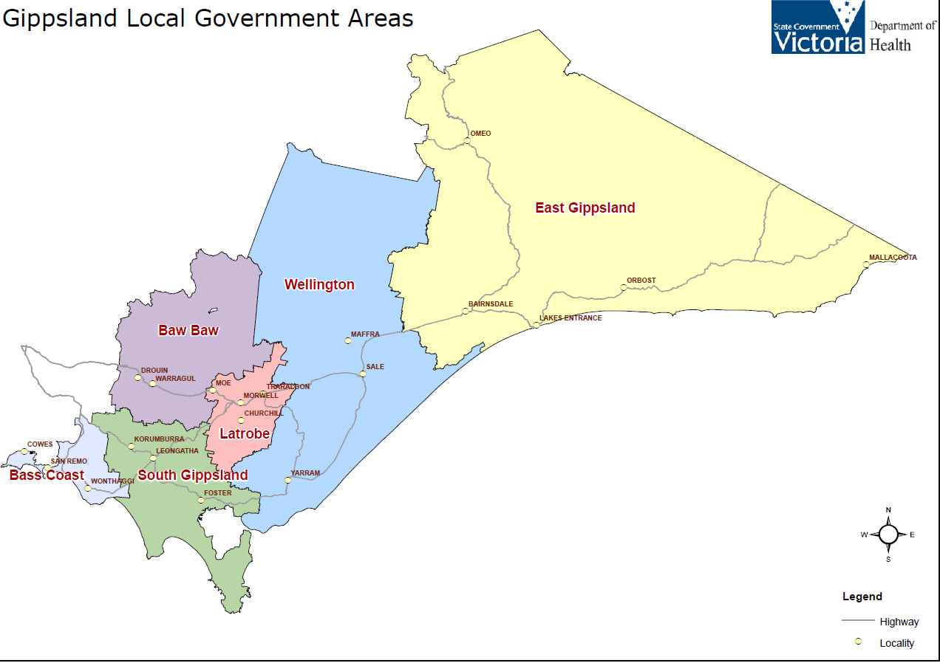
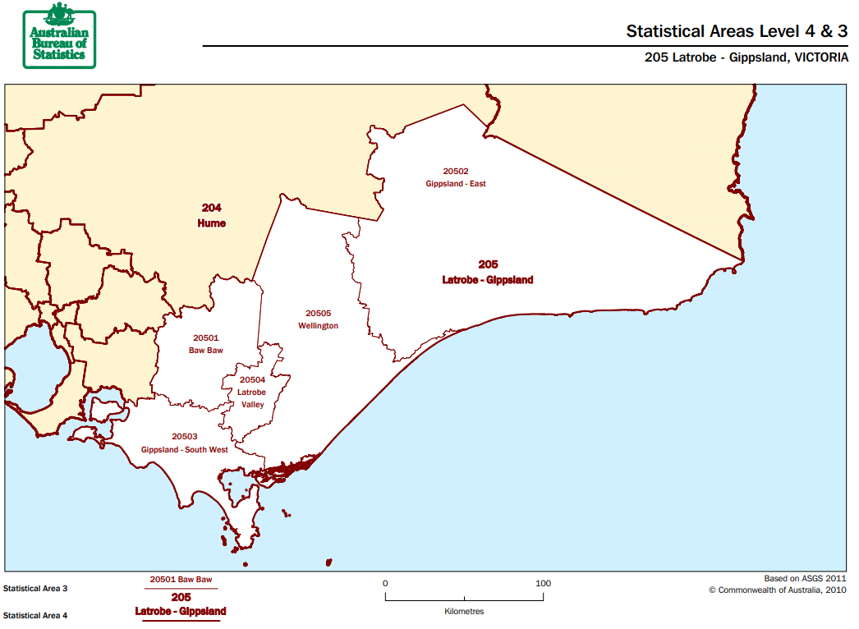
Geography type | Bass Coast | Baw Baw | East Gippsland | Latrobe | South Gippsland | Wellington | Bass Coast South Gippsland | East Gippsland Wellington | GIPPSLAND | VICTORIA | Australia | Reference To find more detailed explanations / relevant resources
Local Government Area | Yes | Yes | Yes | Yes | Yes | Yes |  |  |  |  |  | https://dhhs.vic.gov.au/sites/default/files/documents/201610/DHHS_Victoria_Map_Areas-LGAs.pdf
Statistical Area 3 |  | Yes | Yes Gippsland East | Yes Latrobe Valley |  | Yes | Yes Gippsland South-West |  |  |  |  | http://www.abs.gov.au/websitedbs/D3310114.nsf/home/Australian+Statistical+Geography+Standard+(ASGS)
Indigenous Area |  | Yes |  | Yes |  |  | Yes | Yes |  |  |  | http://phidu.torrens.edu.au/social-health-atlases/indicators-and-notes-on-the-data/indigenous-social-health-atlas-of-australia-contents-old
Statistical Area 4 |  |  |  |  |  |  |  |  | Yes |  |  | http://www.abs.gov.au/websitedbs/D3310114.nsf/home/Australian+Statistical+Geography+Standard+(ASGS)

Local Government Areas in Gippsland |  |  |  |  |  |  |  | Statistical Areas 3 in Gippsland
Local Government Areas; Gippsland has six (Bass Coast, Baw Baw, East Gippsland, Latrobe, South Gippsland and Wellington) |  |  |  |  |  |  |  | Statistical Area 3; Gippsland has five (Baw Baw, Gippsland East, Gippsland South West*, Latrobe Valley and Wellington)
https://dhhs.vic.gov.au/sites/default/files/documents/201610/DHHS_Victoria_Map_Areas-LGAs.pdf |  |  |  |  |  |  |  | http://www.abs.gov.au/websitedbs/D3310114.nsf/home/Australian+Statistical+Geography+Standard+(ASGS)
 |  |  |  |  |  |  |  | * Gippsland South West includes Bass Coast and South Gippsland Local Government Areas

